1. Title Page
[Order Analysis]

Project Name: Instacart Order Analysis
Date: January 14th, 2021
Analyst Name: Matt Ossachuk

Contents:
Population Flow
Consistency checks
Wrangling steps
Column derivations
Visualizations
Recommendations

2. Population Flow
Title page

Population flow

Exclusion flag
Condition: max_order <
Obervations to be removed:
Final total count of order_products_all:

Orders_products_combined
Orders_products_merged
Orders_products_all

Total: 32, 434,489
Total: 32,404,859
Total: 32,399,732

1.) The grey boxes in the first row of the population flow represent the original data sets as they were when you downloaded them. In the Total fields you need to add the count of the rows when you imported the data set into Jupyter.
2.) The second row of boxes (coloured) represents the data sets after you manipulated them, e.g., removed missing values and duplicates. In the Total fields you need to add the count of the rows after conducting these operations. This offers a visual oveview of how the data flows throughout the data consistency checks.
3.) The third row, where also the arrows are coloured, represents the merges you performed between the datasets. In the Total fields you need to add the count of the rows in the merged datasets, so that you end up with the final dataset (in the red box). Keep in mind the final dataset should be without exclusions (based on the exclusion flag).

3. Consistency checks
 |  |  |  | Title page
Consistency checks

Dataset | Missing values | Missing values treatment | Duplicates
orders | 206,209 | Not going to treat these because the missing values are the first orders from customers in the days_since_prior_order column. | None
products | None | None | None
orders_products_prior | None | None | None
customers | 11,259 | Missing values were in the first name column. Made a new dataframe just with the records that have first names. | None

4. Wrangling steps
 |  |  |  | Title page
Wrangling steps

Columns dropped | Columns renamed | Columns' type changed | Comment/Reason
evals_set |  |  | Wasn't relevant to analysis
 | order_dow |  | renamed to orders_day_of_week to be more understandable
 |  | order_id | Changed to a string so it won't appear in descriptive statistics
 |  | user_id | Doesn't need to be numeric it's an identifier. Changed to string.
First_Name |  |  | Data could be used to trace back to a specific person. Column removed.
Surname |  |  | Data could be used to trace back to a specific person. Column removed.

5. Column derivations
 |  |  |  | Title page

Column derivations and aggregations

In this tab you should add tables below that the frequences of flags/label variables that you produced after deriving them. NB: don't do this for continuous variables, only for flags.
Dataset | New column | Column/s it was derived from | Conditions
orders | first_order | days_since_prior_order | ['days_since_prior_order'].isnull() == True
orders_products_merged | _merge | from the merge | from the merge
orders_products_merged | price_range | prices | if row['prices'] <= 5: return 'Low-range product' elif (row['prices'] > 5) and (row['prices'] <= 15): return 'Mid-range product' elif row['prices'] > 15: return 'High range product' else: return np.nan

orders_products_merged | busiest_day | orders_day_of_week | result = [] for value in df_ords_products_merged["orders_day_of_week"]: if value == 0: result.append("Busiest day") elif value == 4: result.append("Least busy") else: result.append("Regularly busy")

orders_products_merged | busiest_period_of_day | order_hour_of_day | for value in df_ords_products_merged["order_hour_of_day"]: if value == 10: result_3.append("Most orders") elif value == 13: result_3.append("Average orders") else: result_3.append("Fewest orders")

orders_products_merged | max_order | order_number | ords_prods_merge.groupby(['user_id'])['order_number'].transform(np.max)

orders_products_merged | loyalty_flag | max_order | ['max_order'] > 40, 'loyalty_flag'] = 'Loyal customer', [(ords_prods_merge['max_order'] <= 40) & (ords_prods_merge['max_order'] > 10), 'loyalty_flag'] = 'Regular customer', ['max_order'] <= 10, 'loyalty_flag'] = 'New customer'

orders_products_merged | average_price | prices | ords_prods_merge.groupby(['user_id'])['prices'].transform(np.average)

orders_products_merged | spending_flag | average_price | ords_prods_merge['average_price'] < 10, 'spending_flag'] = 'Low Spender', [ords_prods_merge['average_price'] >= 10, 'spending_flag'] = 'High Spender'

orders_products_merged | median_days_since_last_order | days_since_prior_order | ords_prods_merge.groupby(['user_id'])['days_since_prior_order'].transform(np.median)

orders_products_merged | frequency_flag | median_days_since_last_order | ords_prods_merge['median_days_since_last_order'] > 20, 'frequency_flag'] = 'Non-Frequent Customer', ords_prods_merge['median_days_since_last_order'] <= 20), 'frequency_flag'] = 'Regular customer', ords_prods_merge['median_days_since_last_order'] <= 10, 'frequency_flag'] = 'Frequent Customer'

orders_products_merged | region | state | for value in df_data_merged_PII['state']: if (value == 'Maine') or (value == 'New Hampshire') or (value == 'Vermont') or (value == 'Massachusetts') or (value == 'Rhode Island') or (value == 'Connecticut') or (value == 'New York') or (value == 'Pennsylvania') or (value == 'New Jersey'): result.append("Northeast") elif (value == 'Wisconsin') or (value == 'Michigan') or (value == 'Illinois') or (value == 'Indiana') or (value == 'Ohio') or (value == 'North Dakota') or (value == 'South Dakota') or (value == 'Nebraska') or (value == 'Kansas') or (value == 'Minnesota') or (value == 'Iowa') or (value == 'Missouri'): result.append("Midwest") elif (value == 'Delaware') or (value == 'Maryland') or (value == 'District of Columbia') or (value == 'Virginia') or (value == 'West Virginia') or (value == 'North Carolina') or (value == 'South Carolina') or (value == 'Georgia') or (value == 'Florida') or (value == 'Kentucky') or (value == 'Tennessee') or (value == 'Mississippi') or (value == 'Alabama') or (value == 'Oklahoma') or (value == 'Texas') or (value == 'Arkansas') or (value == 'Louisiana'): result.append("South") else: result.append("West")

orders_products_merged | exclude_flag | max_order | [df_data_merged_PII['max_order'] <5, 'exclude_flag'] = 'Low Activity Customer', [df_data_merged_PII['max_order'] >=5, 'exclude_flag'] = 'Non-Low Activity Customer'

orders_products_merged | age_group | age | age_group = [] for value in df_data_merged_PII['age']: if value <= 20: age_group.append('18-20') elif (value > 20) and (value <= 30): age_group.append('21-30') elif (value > 30) and (value <= 40): age_group.append('31-40') elif (value > 40) and (value <= 50): age_group.append('41-50') elif (value > 50) and (value <= 60): age_group.append('51-60') elif (value > 60) and (value <= 70): age_group.append('61-70') elif (value > 70) and (value <= 80): age_group.append('71-80') elif (value > 80) and (value <= 82): age_group.append('80+') else: result.append('Not in age category')

orders_products_merged | income_range | income | income = [] for value in df_data_merged_PII['income']: if value <= 9950: income.append('000000-009950') elif (value > 9950) and (value <= 40525): income.append('009950-040525') elif (value > 40525) and (value <= 86375): income.append('040525-086375') elif (value > 86375) and (value <= 164925): income.append('086375-164925') elif (value > 164925) and (value <= 209425): income.append('164925-209425') elif (value > 209425) and (value <= 523600): income.append('209425-523600') elif (value > 523600): income.append('523600+') else: income.append('other')

orders_products_merged | parental_status | number_of_dependants | df_data_merged_PII.loc[df_data_merged_PII['number_of_dependants'] == 0, 'parental_status'] = 'non-parent' df_data_merged_PII.loc[df_data_merged_PII['number_of_dependants'] >= 1, 'parental_status'] = 'parent'

orders_products_merged | selling_performance | Top 10 selling product | result_top = [] for value in df_data_merged_PII['product_name']: if value in top_product_list: result_top.append('Top 10 selling product') else: result_top.append('Other Products')

orders_products_merged | department_name | department_name | high_performing_department = [] for value in df_data_merged_A["department_name"]: if value == 'produce': high_performing_department.append("High Performing Department") elif value == 'dairy eggs': high_performing_department.append("High Performing Department") elif value == 'snacks': high_performing_department.append("High Performing Department") elif value == 'beverages': high_performing_department.append("High Performing Department") elif value == 'frozen': high_performing_department.append("High Performing Department") else: high_performing_department.append("Non-High Performing Department")

orders_products_merged | Day of Week | orders_day_of_week | result_day = [] for value in df_data_merged_A['orders_day_of_week']: if value == 0: result_day.append('Saturday') elif value == 1: result_day.append('Sunday') elif value == 2: result_day.append('Monday') elif value == 3: result_day.append('Tuesday') elif value == 4: result_day.append('Wednesday') elif value == 5: result_day.append('Thursday') elif value == 6: result_day.append('Friday')

orders_products_merged | Time_of_Day | order_hour_of_day | result_part_of_day = [] for value in df_data_merged_A_2['order_hour_of_day']: if (value >= 6) and (value <= 11): result_part_of_day.append('Morning') elif (value >= 12) and (value <= 16): result_part_of_day.append('Afternoon') else: result_part_of_day.append("Evening")

6. Visualizations
 |  |  |  |  | Title page

Visualisations

In this tab you should include all the visualtions from Exercises 4.9 and 4.10, alongside the questions from the project brief that they answer. Include any commentary on the relationship between different variables.

1. The sales team needs to know what the busiest days of the week and hours of the day are (i.e., the days and times with the most orders) in order to schedule ads at times when there are fewer orders.

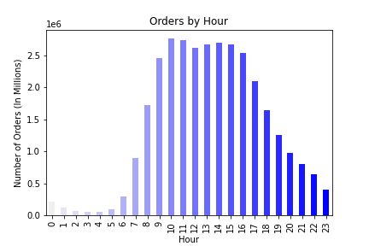
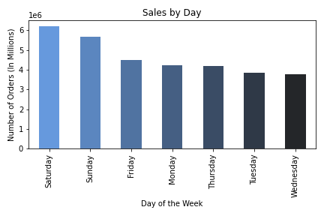

 | The busiest days of the week are Saturday and Sunday. The times of the day that are the most busy are from 10 am until 4pm.

2. They also want to know whether there are particular times of the day when people spend the most money, as this might inform the type of products they advertise at these times.

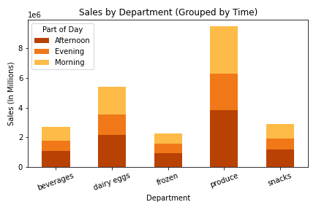

 | By this graph of the top 5 departments you can see that the most popular time of day for spending is the afternoon (12pm - 4pm). The second is the morning (8 am - 11am). People spend less money in the evening and maybe marketing products with a high price tag would increase sales during this time period.

3. Instacart has a lot of products with different price tags. Marketing and sales want to use simpler price range groupings to help direct their efforts.

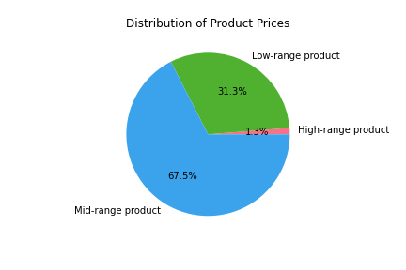
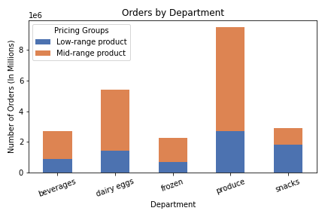

 | If we group the products into three categories they are distributed similar to what is shown in the pie chart. The majority of products are from the mid-range category ($5 - $15) and the rest fall under the low-range product category ($0-$5). A very small percentage make up the high-range products (over $15).

4. Are there certain types of products that are more popular than others? The marketing and sales teams want to know which departments have the highest frequency of product orders.

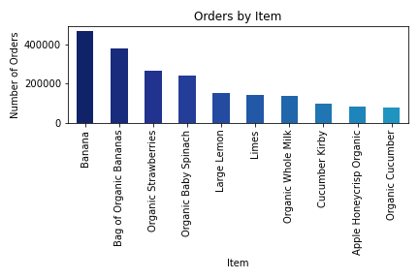
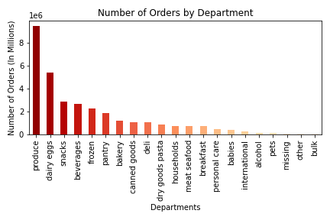

 | As you can see by the illustrations above, the top 5 departments in terms of orders are produce, dairy eggs, snacks, beverages and frozen. Proof of this can be seen in the most popular items sold (banannas, strawberries, spinach, lemons, etc). These are all items from the departments in the first graph. The marketing team
 | would do well to push the produce, dairy eggs, snacks, beverages and frozen departments.

5. The marketing and sales teams are particularly interested in the different types of customers in their system and how their ordering behaviors differ.

A) What’s the distribution among users in regards to their brand loyalty (i.e., how often do they return to Instacart)?

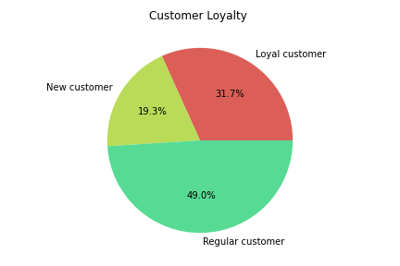

 |  | The distribution amoung users is 49% regular customer (between 10 and 40 orders), 31.7% loyal customer (40+ orders) and new customer 19.3 % (less than 10 orders).

B) Are there differences in ordering habits based on a customer’s loyalty status?

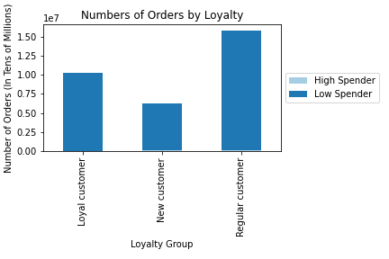

 |  |  |  | No there are no differences in ordering habits between loyal statuses of the customers. Maybe marketing higher priced products would be
 |  |  |  | valuable to boost product spending that is over $10 (low spender is less than $10, high spender is more than $10).

C) Are there differences in ordering habits based on a customer’s region?

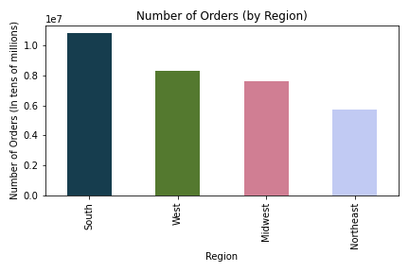

 |  |  | Yes, the south region seems to be the most popular place to order from (with over 10 million orders).
 |  |  | Maybe increasing marketing efforts to the northeast (6 million orders) would help boost orders to the app.

D) Is there a connection between age and family status in terms of ordering habits?

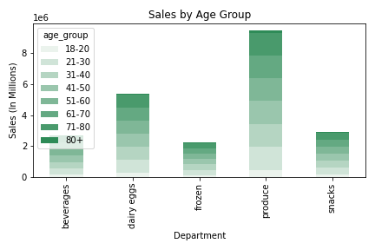
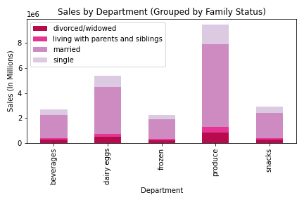

 | Sales by age group appears pretty uniform, however the marketing team should |  | The married segment of our customers make a significant majority of our
 | take out the 18-20 and 80+ age groups as they don't seem to make up many |  | orders in the top 5 departments. The marketing team should focus on
 | of the instacart orders. That or include products that they might enjoy or make |  | marketing towards this married group.
 | the app easier to use for those age groups.

6) What different classifications does the demographic information suggest? Age? Income? Certain types of goods? Family status?

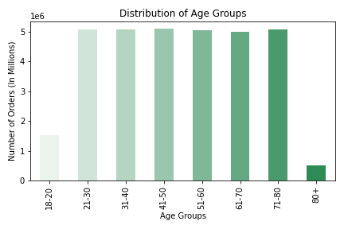
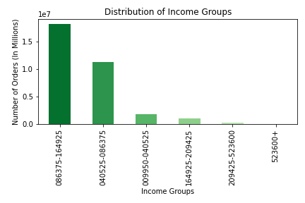

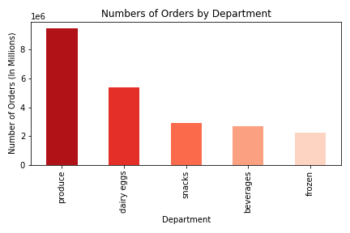
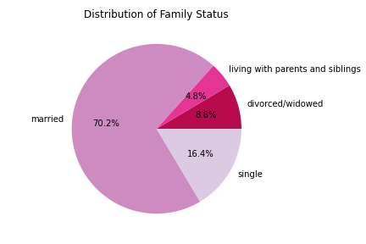

 | Lots of different classifications between age, income, departments and family status.

 | 7) What differences can you find in ordering habits of different customer profiles? Consider the price of orders, the frequency of orders, the products customers are ordering, and anything else you can think of.

A) Income and Departments

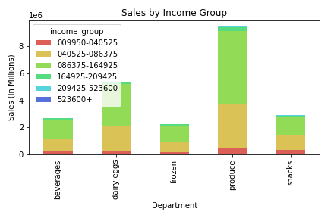

 |  |  | Customers who make $40,000 - $170,000 make up the majority of these items orders and should be the targeted by the marketing department.

B) Parental Status and Departments

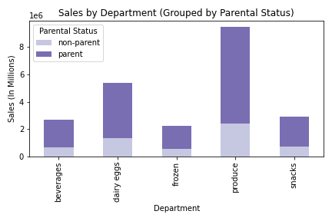

 |  |  | The marketing team should be targeting parents in their campaigns.

C) Product Pricing and Departments

 |  |  | There is a very small amount of high range products (products over $15) that it does not show on the graph. Instacart could include some in produce to increase profit?

7. Recommendations
 |  | Title page

Recommendations

In this tab you should include any recommendations you would made to Instcart in terms of their marketing strategy based on the questions posed in the brief. Every key question has been covered in the Tasks of the Exercises - here you need to add an item - a visualisation or table/crosstable that is showing the answer in the data, acompanied by a comment from you. Please, list the questions below and add the answer underneath.

Question | Answer
Key Question 1 | The busiest days of the week are Saturday and Sunday. The times of the day that are the most busy are from 10 am until 4pm. The marketing department should try to increase purchasing for the other days of the week.
Key Question 2 | By this graph of the top 5 departments you can see that the most popular time of day for spending is the afternoon (12pm - 4pm). The second is the morning (8 am - 11am). People spend less money in the evening and maybe marketing products with a high price tag would increase sales during the evening.
Key Question 3 | If we group the products into three categories they are distributed similar to what is shown in the pie chart. The majority of products are from the mid-range category ($5 - $15) and the rest fall under the low-range product category ($0-$5). A very small percentage make up the high-range products (over $15).
 | The marketing department should try getting word out about products that cost more than $10.
Key Question 4 | As you can see by the illustrations above, the top 5 departments in terms of orders are produce, dairy eggs, snacks, beverages and frozen. Proof of this can be seen in the most popular items sold (banannas, strawberries, spinach, lemons, etc).
 | These are all items from the departments in the first graph. The marketing team would do well to push the other departments (bakery, pantry, canned goods) to boost sales.
Key Question 5 | A) The distribution amoung users is 49% regular customer (between 10 and 40 orders), 31.7% loyal customer (40+ orders) and new customer 19.3 % (less than 10 orders). Maybe giving loyal customers "points" for using the app would increase the number of times users come back and use the app again.
 | B) No there are no differences in ordering habits between loyal statuses of the customers. Marketing higher priced products would be valuable to boost product spending that is over $10 (low spender is less than $10, high spender is more than $10).
 | C) Yes, the south region seems to be the most popular place to order from (with over 10 million orders). Increasing marketing efforts to the northeast (6 million orders) would help boost orders to the app.
 | D) The married segment of our customers make a significant majority of our orders in the top 5 departments. The marketing team should focus on marketing towards the 'single' customer group.

Key Question 6 | Lots of different classifications between age, income, departments and family status. Could use this information to target any of the customer segments.
Key Question 7 | A) Customers who make $40,000 - $170,000 make up the majority of these items orders. Maybe targeting incomes over $170,000 could lead to some more sales?
 | B) The marketing team should be targeting parents in their campaigns.
 | C) There is a very small amount of high range products (products over $15) that it does not show on the graph. Instacart could include some to increase profit?

 | Key Takeaways
 | 1. The marketing department should try to increase purchasing for the other days of the week (all days except Saturday and Sunday)
 | 2. Marketing products with a high price tag (over $15) would increase sales during the evening.
 | 3. The marketing team would do well to push the other departments (bakery, pantry, canned goods) to boost sales.
 | 4. Maybe giving loyal customers "points" for using the app would increase the number of times users come back and use the app again.
 | 5. Marketing higher priced products would be valuable to boost product spending that is over $10 (low spender is less than $10, high spender is more than $10).
 | 6. Increasing marketing efforts to the northeast (6 million orders) would help boost orders to the app. Maybe trying to give customers in this area a discount?
 | 7. The marketing team should focus on marketing towards the 'single' customer group.
 | 8. Maybe targeting incomes over $170,000 could lead to some more orders?
 | 9. The marketing team should be targeting non-parents in their campaigns. Our orders primarily come from parents as it is.

